Hlookup
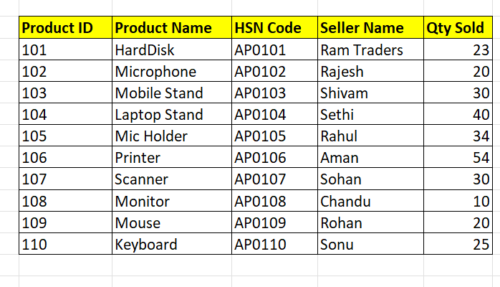
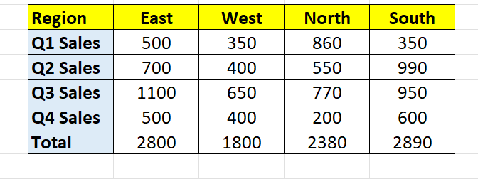
Region | East | West | North | South | Region | North | Region | East | H=Horzontial look up
Q1 Sales | 500 | 350 | 860 | 350 | Total | 2380 | Q1 Sales | 500 | fun fact: when you drag in excel it always adds 1 to your formula. So for East Q1-total can write the formula for Q1, drag down the colum to fill in all the rows
Q2 Sales | 700 | 400 | 550 | 990 |  |  | Q2 Sales | 700
Q3 Sales | 1100 | 650 | 770 | 950 |  |  | Q3 Sales | 1100
Q4 Sales | 500 | 400 | 200 | 600 |  |  | Q4 Sales | 500
Total | 2800 | 1800 | 2380 | 2890 |  |  | Total | 2800

 |  |  |  |  |  | formula iferror( (your given formulia), "what you write here apears in the cell")

 |  |  |  |  |  | https://www.goskills.com/Excel/Resources/IFERROR-Excel

https://www.goskills.com/Excel/Resources/Hlookup-vs-vlookup

